R-dplyr
R DATA PROCESSING DEPENDS ON DATAFRAMES
DATAFRAMES IS A CLEAN NORMALIZED LABELED DATASET BASED ON THE "TIDY DATA" STANDARD
The R dplyr package can only import and manage "tidy" data
It has only very capability to MAKE the data "tidy"
"Tibbles" is the R variant of "tidy" data.
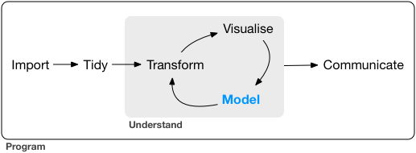

Tidy Data
https://r4ds.had.co.nz/tidy-data.html

dplyr
dplyr is a grammar of data manipulation, providing a consistent set of verbs that help you solve the most common data manipulation challenges:
https://dplyr.tidyverse.org/

mutate() adds new variables that are functions of existing variables
select() picks variables based on their names.
filter() picks cases based on their values.
summarise() reduces multiple values down to a single summary.
arrange() changes the ordering of the rows.

Reference
https://r4ds.had.co.nz/index.html

